Problem Statement
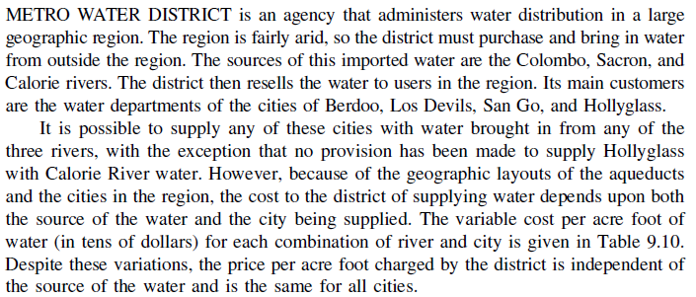

Solution (With Dummy)
Unit Shipment Cost |  | Destinations
 |  | Berdoo | Los Devils | San Go | Hollyglass
Source | Colombo River | 16 | 13 | 22 | 17
 | Sacron River | 14 | 13 | 19 | 15
 | Calorie River | 19 | 20 | 23 | 10000
 | Dummy | 0 | 0 | 0 | 0

Shipment Quantity (Decisions) |  | Destinations
 |  | Berdoo | Los Devils | San Go | Hollyglass | Total Shipped |  | Supply
Source | Colombo River | 0 | 50 | 0 | 0 | 50 | = | 50
 | Sacron River | 0 | 20 | 0 | 40 | 60 | = | 60
 | Calorie River | 50 | 0 | 0 | 0 | 50 | = | 50
 | Dummy | 0 | 0 | 30 | 20 | 50 | = | 50
 | Total Received | 50 | 70 | 30 | 60
 |  | = | = | = | = |  |  | Total Cost
 | Demand | 50 | 70 | 30 | 60 |  |  | 2460

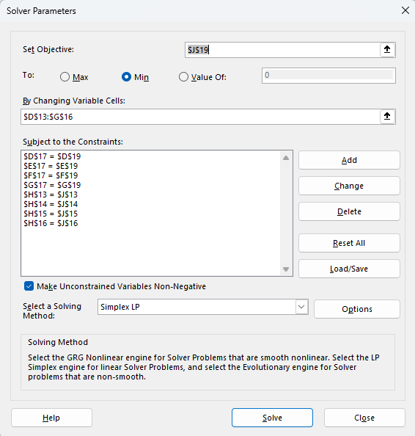
Cell Formulas |  |  |  |  | Solver Parameters
H13 | =SUM(D13:G13)
H14 | =SUM(D14:G14)
H15 | =SUM(D15:G15)
H16 | =SUM(D16:G16)
D17 | =SUM(D13:D16)
E17 | =SUM(E13:E16)
F17 | =SUM(F13:F16)
G17 | =SUM(G13:G16)
J19 | =SUMPRODUCT(D6:G9,D13:G16)

Solution (No Dummy)
Unit Shipment Cost |  | Destinations
 |  | Berdoo | Los Devils | San Go | Hollyglass
Source | Colombo River | 16 | 13 | 22 | 17
 | Sacron River | 14 | 13 | 19 | 15
 | Calorie River | 19 | 20 | 23 | 10000

Shipment Quantity (Decisions) |  | Destinations
 |  | Berdoo | Los Devils | San Go | Hollyglass | Total Shipped |  | Supply
Source | Colombo River | 0 | 50 | 0 | 0 | 50 | = | 50
 | Sacron River | 0 | 20 | 0 | 40 | 60 | = | 60
 | Calorie River | 50 | 0 | 0 | 0 | 50 | = | 50
 | Total Received | 50 | 70 | 0 | 40
 |  | <= | <= | <= | <= |  |  | Total Cost
 | Demand | 50 | 70 | 30 | 60 |  |  | 2460

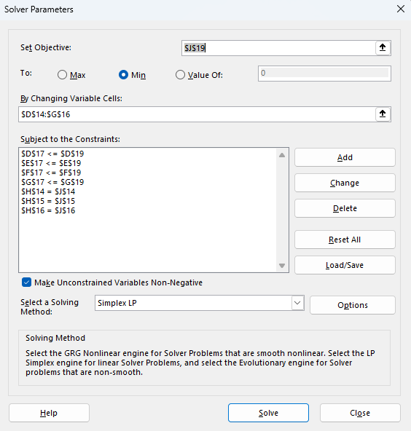
Cell Formulas |  |  |  |  | Solver Parameters
H14 | =SUM(D14:G14)
H15 | =SUM(D15:G15)
H16 | =SUM(D16:G16)
D17 | =SUM(D14:D16)
E17 | =SUM(E14:E16)
F17 | =SUM(F14:F16)
G17 | =SUM(G14:G16)
J19 | =SUMPRODUCT(D6:G8,D14:G16)

